Data List
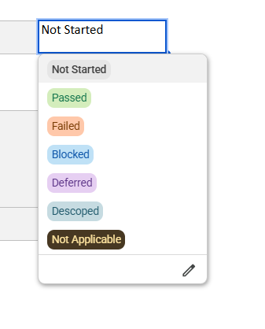
Test Case Execution List of Values
Test Result Status | E2E Business Process | Module
Not Started | Plan to Produce
Passed | Sales Order To Cash
Failed | Procure to Pay (SCM)
Blocked | Finance
Deferred
Descoped
Not Applicable

UC1 -Non-PO workflow-MY
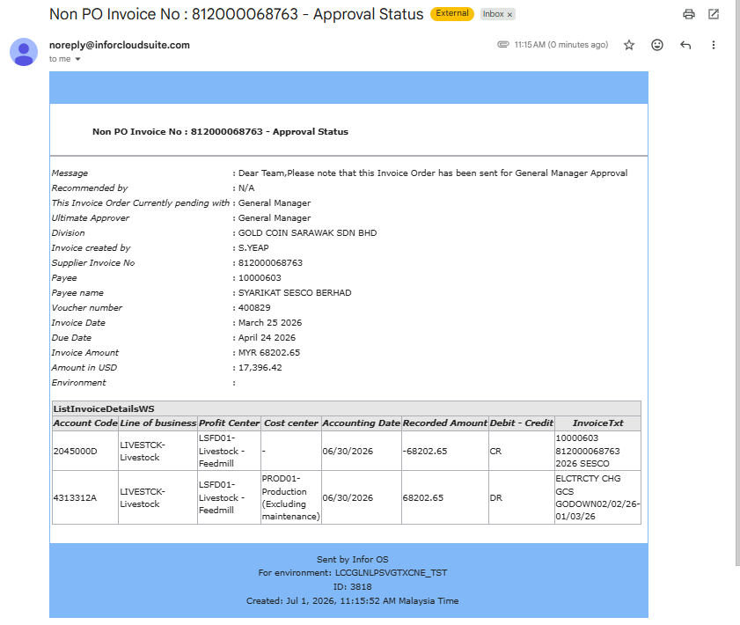
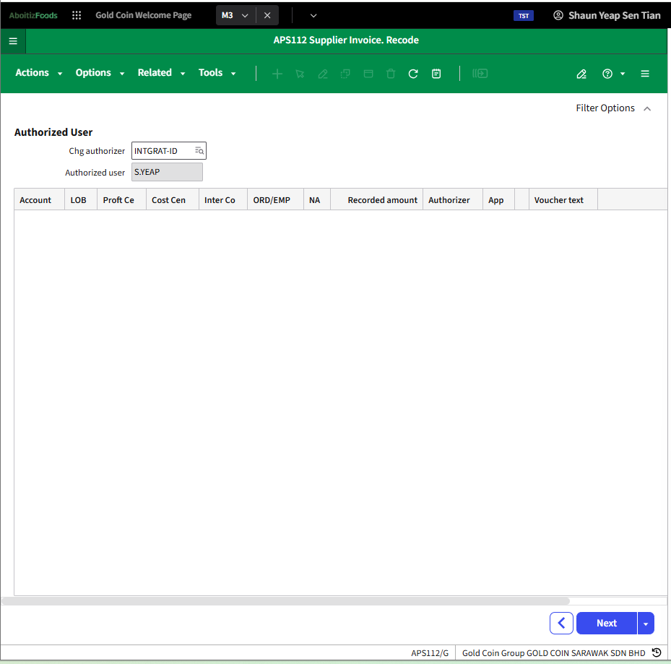
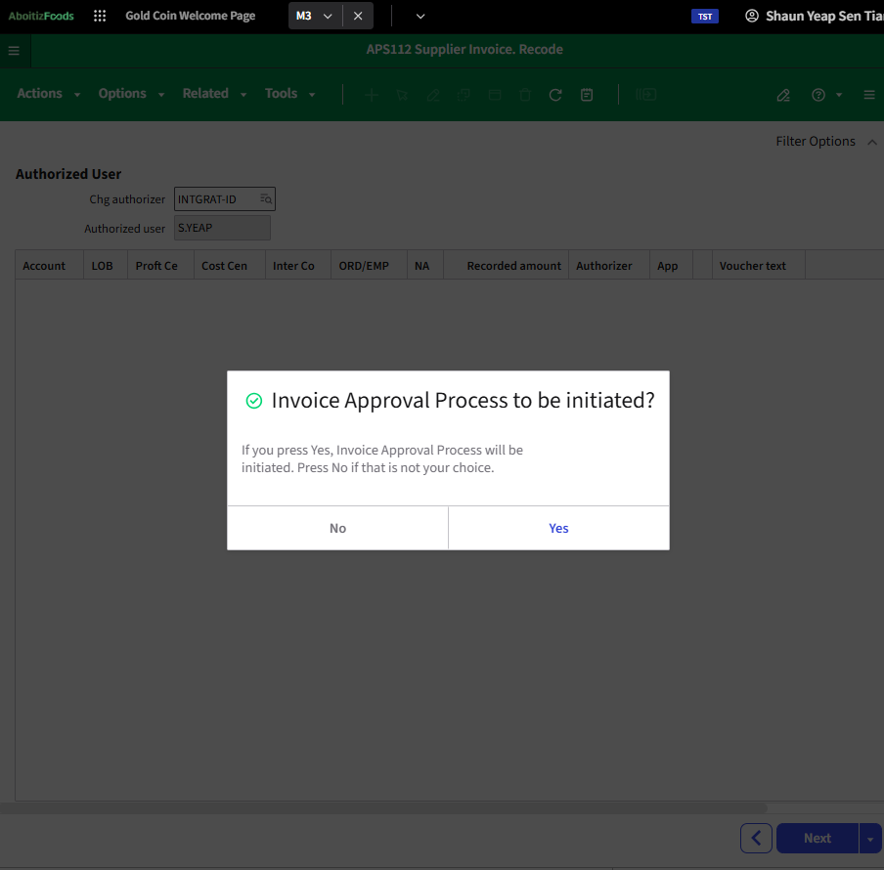
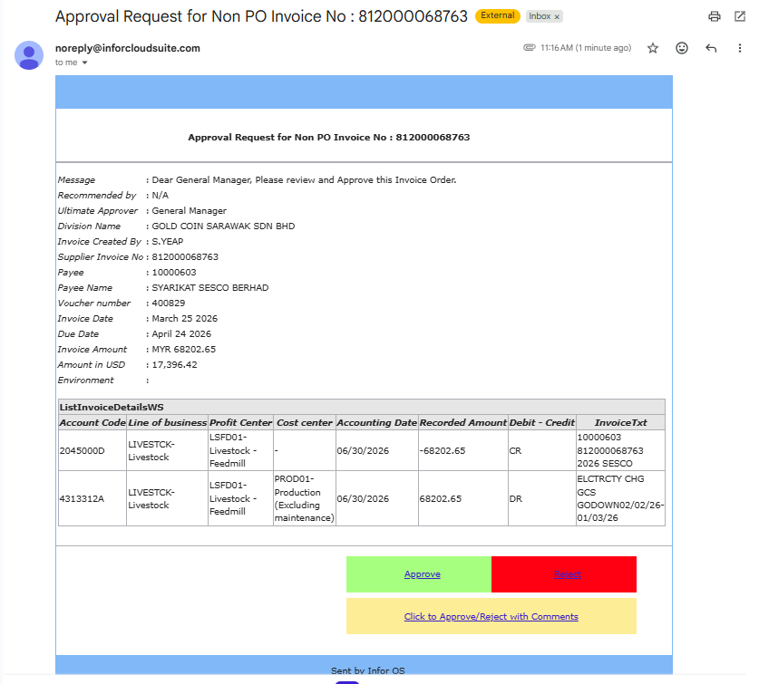
Number | Use Case | Scenario | Steps | Owner/Role | Expected Result | Interface | Remarks | Input Test Data | Output Test Data | Expected Result (per test step) | Actual Result | Test Result Status | Defect ID | Remarks / Notes | Tested By <email add> | Tested Date <dd-mm-yy>
 | USE CASE 1 - Non PO workflow
 | USE CASE 1 - MALAYSIA 1.1. ≤ 20K USD Approval Scenario | Approval by the Ultimate Approver - General Manager of a Non-PO transaction with amount >1K to ≤ 20K USD | Go to APS110 Select the appropriate invoice no. Right click > Chg authorizer Panel goes to APS112/G. Chg authorizer field should auto populate to “INTGRAT-ID” Press Enter or click “Next” Press “Yes” when the “Invoice Approval Process to be initiated?” dialog appears. | Mill Controller | System Behavior Authorized approver shall be updated to “INTGRAT-ID” Text block invoice status shall be updated to “Submitted” Notification Authorizer shall be notified via email Invoice routed to first recommender / ultimate approver |  |  |  |  |  | 10000544 10000904 | Passed | FIN134
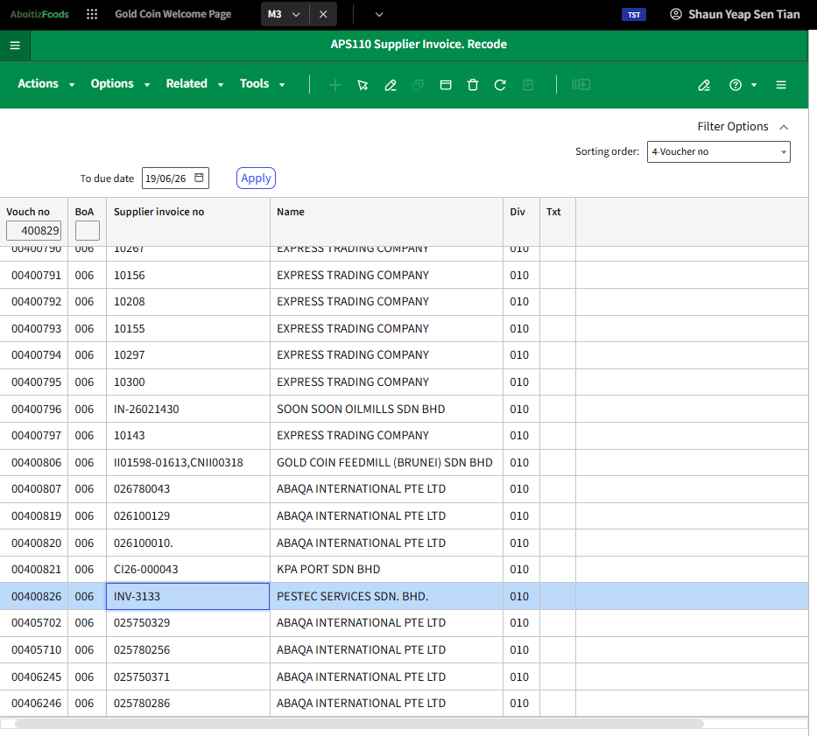
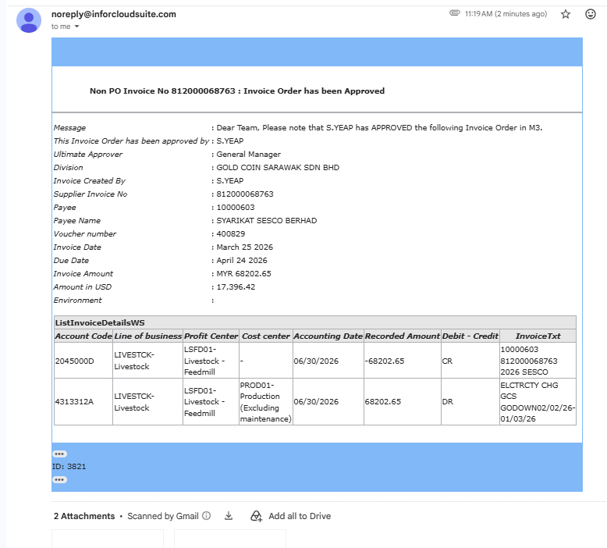
 |  |  | Go to your Email > Inbox. Wait for the Non PO Invoice Approval Status notification and Approval Request notification. Click the Approve button. Ultimate Approver should be General Manager. Go to your Email > Inbox. Wait for the Non PO Invoice Approval notification. | Mill General Manager | Notification Stakeholders shall receive approval notification email |  |  |  |  |  |  | Passed | FIN134
 |  |  | Go back to APS110. The supplier invoice no should no longer be there. | Mill Controller | System Behavior Invoice status shall be updated to “1” Supplier invoice no should no longer be in APS110 except using Sorting order 13. Text block invoice status shall be updated to “Approved by <Mill General Manager> |  |  |  |  |  |  | Passed | FIN134

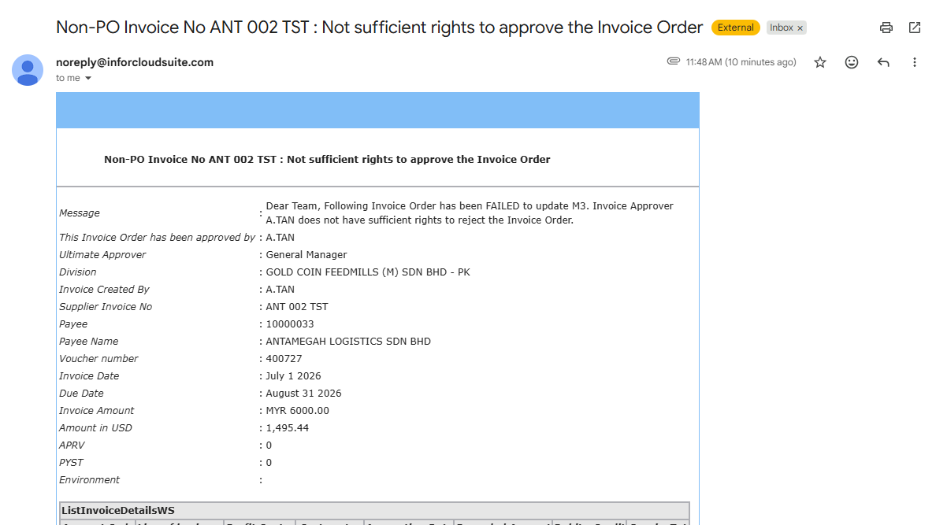
 | 1.2 ≤ 20K USD Rejection Scenario | Rejection by the Ultimate Approver - General Manager of a Non-PO transaction with amount >1K to ≤ 20K USD | Go to APS110 Select the appropriate invoice no. Right click > Chg authorizer Panel goes to APS112/G. Chg authorizer field should auto populate to “INTGRAT-ID” Press Enter or click “Next” Press “Yes” when the “Invoice Approval Process to be initiated?” dialog appears. | Mill Controller | System Behavior Authorized approver shall be updated to “INTGRAT-ID” Text block invoice status shall be updated to “Submitted” Notification Authorizer shall be notified via email Invoice routed to first recommender / ultimate approver |  |  |  |  |  |  | Passed | FIN134
 |  |  | Go to your Email > Inbox. Wait for the Non PO Invoice Approval Status notification and Approval Request notification. Click the Reject button. Ultimate Approver should be General Manager. Go to your Email > Inbox. Wait for the Non PO Invoice Rejection notification. | Mill General Manager | Notification Stakeholders shall receive rejection notification email |  |  |  |  |  |  | Passed | FIN134
 |  |  | Go back to APS110. The supplier invoice no should no longer be there. Correct the issue and ask the AP staff to repost the supplier invoice, if needed. Approval workflow Will be restarted. | Mill Controller | System Behavior Invoice status shall be updated to “1” Supplier invoice no should no longer be in APS110. Text block invoice status shall be updated to “Rejected by <Mill General Manager> |  |  |  |  |  |  | Passed | FIN148

